MY PROJECT
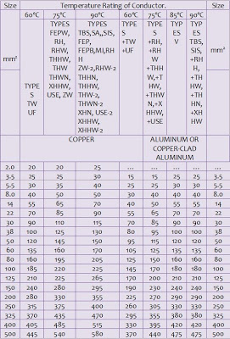
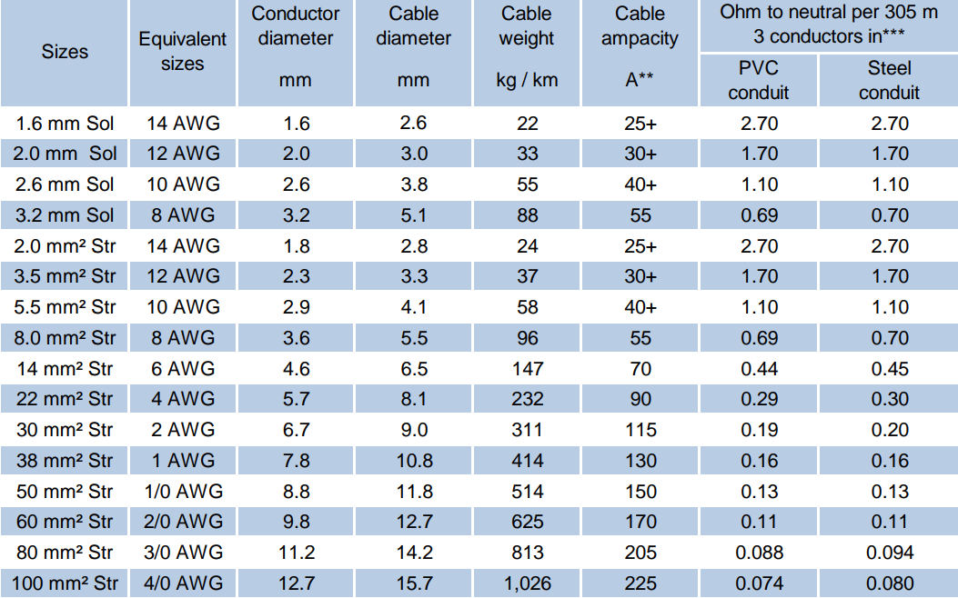
SCHEDULE OF LOADS |  |  |  |  |  |  |  |  |  |  |  |  |  |  | COMPUTATION OF LOAD
CIRCUIT | DESCRIPTION | LIGHTING | CONV | SWITCHES |  |  |  | VOLT | AMPERE | A.POWER (VA) | SIZE OF WIRE | SIZE OF CONDUIT | CB RATING |  | Contiuous Loads |  |  |  | = |  |  | 41.74 | Ampere
NUMBER |  | OUTLET | OUTLET | S1 | S2 | S3 | S3W |  |  |  | in sq. mm (TW/THW Cu.) | in mm dia. (PVC) | POLE | AMP-TRIP | Non-Contiuous Loads |  |  |  | = |  |  | 43.39 | Ampere
1 | LIGHTING | 12 |  |  |  |  |  | 230 | 5.22 | 1200 | #14 AWG or 2.0 sq mm | 20 | 2 | 15 | Total Loads |  |  |  | = |  |  | 85.13 | Ampere
2 | LIGHTING | 15 |  |  |  |  |  | 230 | 6.52 | 1500 | #14 AWG or 2.0 sq mm | 20 | 2 | 15 | MAIN FEEDER
3 | CONVENIENCE OUTLET |  | 8 |  |  |  |  | 230 | 12.52 | 2880 | #12 AWG or 3.5 sq mm | 20 | 2 | 20 | Main Feeder Current = (CL X 100%) + (NCL X 125%)
4 | CONVENIENCE OUTLET |  | 10 |  |  |  |  | 230 | 15.65 | 3600 | #12 AWG or 3.5 sq mm | 20 | 2 | 20 |  | = | ( | 41.74 | X 100% ) | + | ( | 43.39 | X 125% )
5 | 3.5kW Tankless Water Heater |  | 3.5 |  |  |  |  | 230 | 15.20 | 3500 | #10 AWG or 5.5 sq mm | 25 | 2 | 30 |  | = |  | 95.98 | Ampere
6 | 2 hp A.C.U. |  |  |  |  |  |  | 230 | 12.00 | 2760 | #10 AWG or 5.5 sq mm | 25 | 2 | 30 | Therefore use |  |  | 2- | #1 AWG or 38.0 sq mm |  |  |  | TW Cu Wire
7 | 1.5 hp A.C.U. |  |  |  |  |  |  | 230 | 10.00 | 2300 | #12 AWG or 3.5 sq mm | 25 | 2 | 20 | plus | 1 - #4 AWG or 22 sq mm TW Cu Wire
8 | 1 hp Water Pump |  |  |  |  |  |  | 230 | 8.00 | 1840 | #12 AWG or 3.5 sq mm | 25 | 2 | 20 |  | inside 38 mm diameter RSC with
9 | SPARE |  |  |  |  |  |  | 230 | - | - | - | - | - | - | Grounding Conductor |  |  |  | 8.0 sq mm |  |  | Copper
10 | SPARE |  |  |  |  |  |  | 230 | - | - | - | - | - | - | RATING OF MAIN CIRCUIT BREAKER @ 80% DF
 |  |  |  |  |  |  |  |  | AMP | VA |  |  |  |  |  | Use |  | 2 Pole | 125 |  |  | Ampere Trip Circuit Breaker
 |  |  |  |  |  |  |  |  | 41.74 | 9600 | for Continuous Loads |  |  |  | TYPE OF SERVICE
TOTAL |  | 27 | 18 | 0 | 0 | 0 | 0 |  | 43.39 | 9980 | for Non-continuous Loads |  |  |  | SINGLE PHASE, 2W, 230V, 60 Hz

 | CHECK THE ELECTRICAL PLANS Problem: Determine the size of branch circuit wires for lighting outlets, convenience outlets, Water Heater (Tankless), Air-Con Units, and Water Pump with the corresponding size of conduit pipes and rating of circuit breaker. Compute the total loads and determine the size of conductor for main feeder, main circuit breaker, size of conduit, and grounding conductor. |  |  |  |  |  |  |  |  |  |  |  | GUIDELINES & NOTES
` |  |  |  |  |  |  |  |  |  |  |  | 1 | THE NUMBER CONVENIENCE OUTLET W/ 2-PLUG IN ONE (1) CIRCUIT MUST
 |  |  |  |  |  |  |  |  |  |  |  |  | NOT BE MORE THAN 10 FIXTURES SO THAT #12 AWG or 3.5 SQ.MM. TW cu WIRE COULD SUSTAIN THE LOAD.
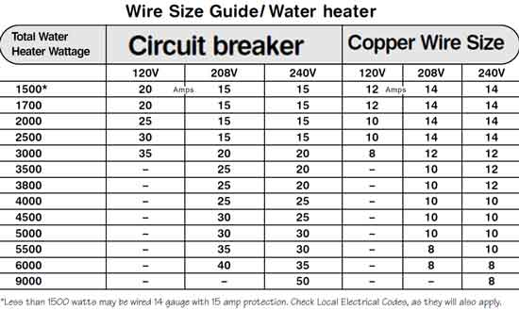
 |  |  |  |  |  |  |  |  |  |  |  | 2 | THE NUMBER LIGHTING OUTLET IN ONE (1) CIRCUIT MUST
 |  |  |  |  |  |  |  |  |  |  |  |  | NOT BE MORE THAN 15 FIXTURES SO THAT #14 AWG or 2.0 SQ.MM. TW cu WIRE COULD SUSTAIN THE LOAD.
 |  |  |  |  |  |  |  |  |  |  |  | 3 | DIVIDE WATTAGE BY 230V TO GET THE AMPERE FOR WATER HEATER
 |  |  |  |  |  |  |  |  |  |  |  | 4 | MOTOR LOADS SHALL BE COMPUTED AT 250% DEMAND FACTOR TO GET THE APPROPRIATE CB.
 |  |  |  |  |  |  |  |  |  |  |  | 5 | FEEDER CURRENT SHALL BE THE SUM OF CONT. LOAD MULTIPLIED BY 100% AND NON-CONT. LOAD MULTIPLIED BY 125%

