ANALYSIS
 | PLUMBING DESIGN ANALYSIS
 | PROJECT:
 | LOCATION:

I. | DAILY WATER DEMAND
 | Number of Occupants |  |  |  |  | 6 | Pax
 | Daily Water Demand per Person |  |  |  |  | 45 | Gallons
 | Total Water Demand |  |  |  |  | 270 | Gallons

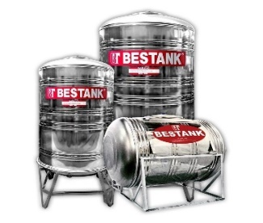
II. | SIZE OF CISTERN / WATER STORAGE (good for 3 days)
 | Cistern/H2O Storage = Total Water Demand X 300%
 |  | = | 270 | Gallons | X | 300 | %
 |  | = | 810 | Gallons
 |  | = | 3.0661821 | M3
 |  |  | 2.94
 | Therefore use: |  | 1.5 | M Length
 |  |  | 1.5 | M Width
 |  |  | 1.4 | M Height
 |  |  | 3.15 | M3 Cistern Volume
 |  |  | or Best Tank 853 Gallons Capacity / Code 3200
 | ***Based on the available water tank (BEST TANK) in the market provided with Stainless Ball / Float Valve.

III. | SIZING OF ELEVATED WATER TANK (good for 1.5 days)
 | Overhead Tank = Total Water Demand X 150%
 |  | = | 270 | Gallons | X | 150 | %
 |  | = | 405 | Gallons
 | Based on the available water tank (BEST TANK) in the market provided with Float Switch.
 | Therefore use: |  | Best Tank 400 Gallons Capacity / Code1500

IV. | RECOMMENDED WATER PUMP (Good for 2 to 5 Storey Building)
 | 3/4HP to 1HP CENTRIFUGAL PUMP at flow rate of 52 l/m, max head 52 m

V. | SIZING OF DRAINAGE & VENT PIPES
 | Drainage Fixture Unit (DFU) Values
 |  | FIXTURE | UNIT | DFU | Total DFU
 |  | Water Closet | 2 | 3 | 6
 |  | Lavatory | 2 | 2 | 4
 |  | Shower | 2 | 2 | 4
 |  | Urinal | 0 | 2 | 0
 |  | Bath Tub | 0 | 2 | 0
 |  | S/F Drain | 6 | 2 | 12
 |  | Kitchen Sink | 2 | 2 | 4
 |  | Total |  |  | 30
 | NOTE: If the result is NOT more than 256 DFU use 50 mm Ø for vent & waste pipes & 100 mm Ø for soil & sewer pipes.
 | Therefore use: |  | 50 mm Ø uPVC (#2) for Ventilation and Waste Pipes.
 |  |  | 100 mm Ø uPVC (#4) for Soil, Sewer, and Drain Pipes.
 |  |  | 150 mm Ø uPVC (#6) for Storm Drainage Pipes.
 | ***As per Uniform Plumbing Code 2000 & RNPCP 1999

VI. | SIZING OF GUTTER & DOWNSPOUT
 | Table for Leader (Gutter) / Downspout as per UPC 2000 & RNPCP 1999
 |  | Maximum Allowable Projected Roof Areas (Rainfall Intensity)
 |  | 150 mm / hr | Pipe Size of Downspout
 |  | 34 M2 | #2 or 50 mm Ø uPVC Pipe
 |  | 100 M2 | #3 or 80 mm Ø uPVC Pipe
 |  | 214 M2 | #4 or 100 mm Ø uPVC Pipe
 |  | 389 M2 | #5 or 125 mm Ø uPVC Pipe
 |  | 632 M2 | #6 or 150 mm Ø uPVC Pipe
 |  | Building Roof Area: |  | 102.5 | M2
 | The table shows that the nearest value for Roof Area of 102.5 M2 is 100 M2 which is equal to #3 or 80 mm Ø uPVC.
 | Therefore use: |  | #3 or 80 mm Ø uPVC Pipe DOWNSPOUT is safe at maximum
 |  |  | of 5m span of column.

 | Table for Gutter 11-3 as per UPC 2000
 |  | 150 mm / hr | Diameter of Gutter
 |  | 21 M2 | 80 mm
D
 |  | 44.6 M2 | 100 mm
 |  | 77.5 M2 | 125 mm
 |  | 118.9 M2 | 150 mm
 |  | 170.9 M2 | 175 mm
 |  | 246.7 M2 | 200 mm
 |  | 445.9 M2 | 250 mm
 |  | Building Roof Area: |  | 102.5 | M2
 | The table shows that the nearest value for Roof Area of 102.5 M2 is 118.9 M2 which is equal to 150 MM.
 | Therefore use: |  | 150 mm diameter of GUTTER design is safe.

VII. | SIZING OF SEPTIC TANK
 | Table for Septic Tank Table K-2 as per UPC 2000
 |  | Tank Volume UPC 2000
 |  | Bedroom | Gallons | M3
 |  | 2 | 750 | 2.84
 |  | 3 | 1000 | 3.79
 |  | 4 | 1200 | 4.54
 |  | 5 to 6 | 1500 | 5.68

 | Allowable Dimension of Septic Tank:
 |  |  | 4.00 | M Length
 |  |  | 1.20 | M Width
 |  |  | 1.00 | M Depth
 |  |  | 4.80 | M3 Tank Volume

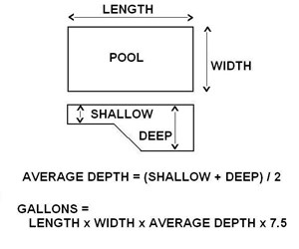
VIII. | SIZING OF SWIMMING POOL PUMP, FILTER, & PIPES
 | Number of Gallons of H2O in the Rectangular Pool
 |  | Average Depth = (Shallow + Deep) /2
 |  |  | 1.00 | 1.50
 |  | 4 cu ft | 3' | 5' | 2
 |  | Gallons = L x W x Ave. Depth x 7.5
 |  |  | 4.50 | 8.00
 |  | 11700 | 15 | 26 | 7.5
 |  | Note: Units are in English System (Feet)
 | Calculate Gallons per Hour to pump water in 8 hrs
 |  | GPH = No. of Gallons / 8
 |  | 1463 | 11700 | 8

 | Convert GPH to GPM
 |  | GPM = GPH / 60
 |  | 24 | 1463 | 60

 | Calculate the Average Feet of Head
 |  | AFH =Total Run of Pipe / 3
 |  |  | 25.00
 |  | 27 | 82 ft | 3

 | Therefore use: |  | Pool Pump at1/2 hp, 230v, 60hz. @ least 30 GPM at 30 Feet of Head
 |  |  | with Skimmer good for 500 square foot pool

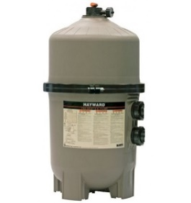
 | Sizing Water Filter at 25% Oversize from the Pool Pump
 |  | Water Filter = GPM x 1.25
 |  | 67.5 | 30 | 1.25

 | Therefore use: |  | Pool Filter that is good for 50 GPM

 | Determine the Pipe Size
 |  | PIPE SIZES
 |  | 50MM Ø PPR PN20 | Max. Flow Rate of 60 GPM
 |  | 63MM Ø PPR PN20 | Max. Flow Rate of 100 GPM
 |  | 75MM Ø PPR PN20 | Max. Flow Rate of 140 GPM

 | Therefore use: |  | 50MM Ø PPR PN25 PIPE or 1 1/2" Ø PVC Pipe

Prepared by:

 |  | SUNNY B. OJEDA, RMP

POOL SHAPES
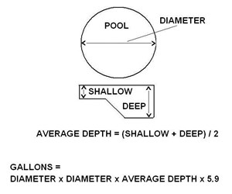
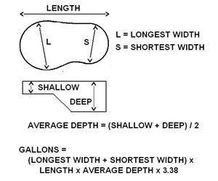
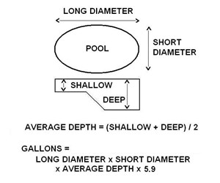

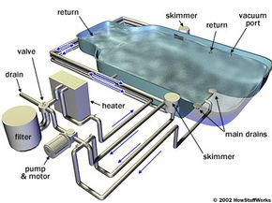
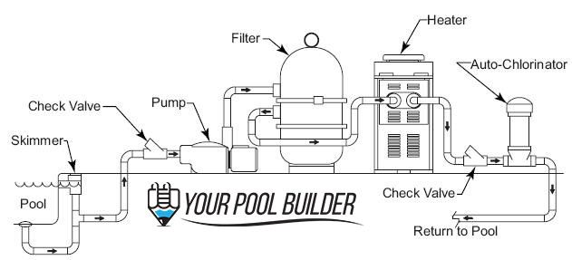

CENTRI PUMP
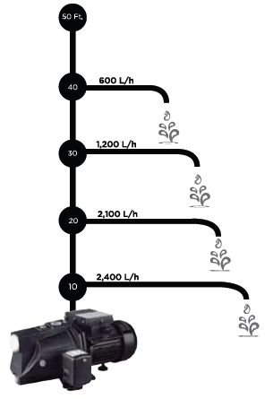
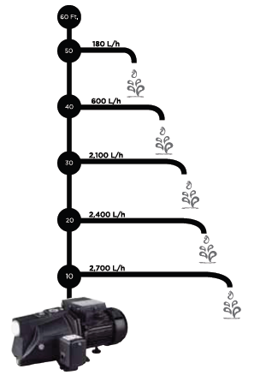
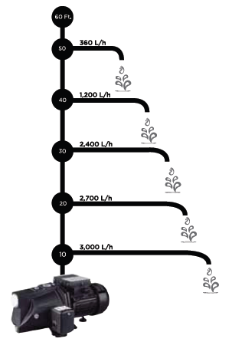

CENTRIFUGAL PUMP Model 0.5HP, 0.75HP, and 1.0HP JP w/o Bladder
1/2HP at 370W with max. flow rate 47 l/m, max. head 47 m
3/4HP at 550W with max. flow rate 52 l/m, max head 52 m
1HP at 750 with max. flow rate 56 l/m, max head 56 m

AVIVA
PRIMA
EUROSTAR
JR. KAWASAKI | JAPAN
M. AQUA | ITALY
TOLSEN | EUROPE
GOULDS | USA

AAV INFO
